Clarification Cases
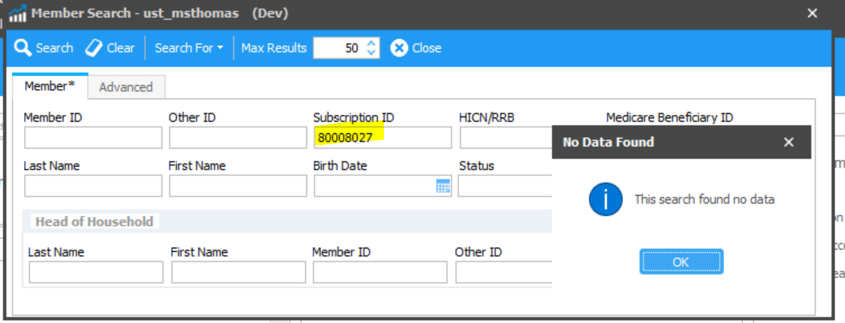
Test data Member compliance:

Clarification Case1:
Sub - 4th quartr eligible - 1/12/23 ->Medical
Dep1 – 2024-01-01->Medical - with mem compliance block (SOAP)
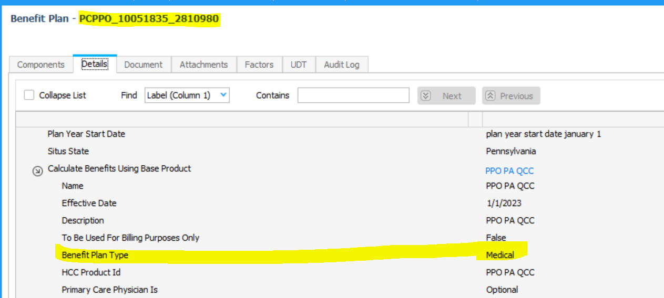
SOAP TEST data:
HRP:

Added Dep - with compliance block (SOAP)

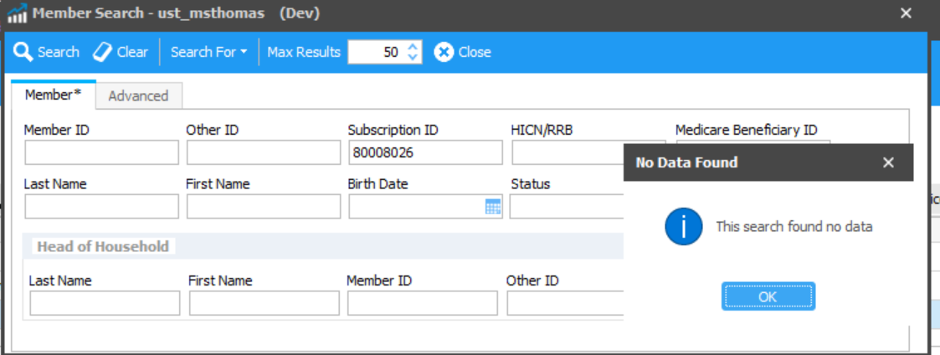
Clarification Case2:

Sub - 9/1/23 ->Medical
Dep1 – 10/3/23 ->Medical
Dep2 – 10/3/23->Medical
SOAP TEST data:
HRP:

HRP - Sub - no compliance block (SOAP)

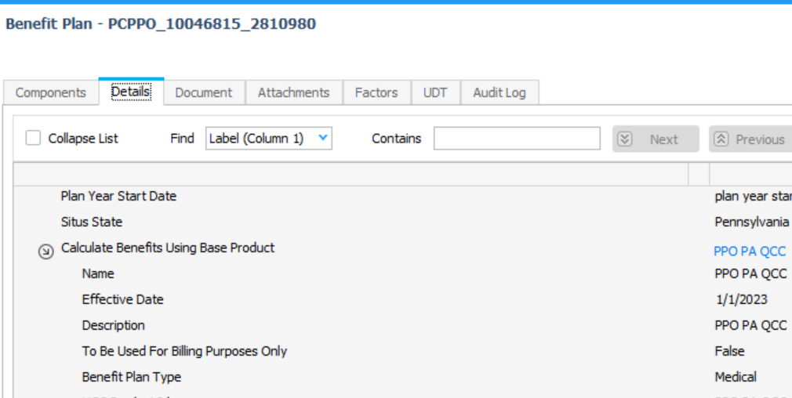

Dependent with comp block (SOAP) | Added

Sheet2
Case : Member with existing medical plans | Input file contains compliance program
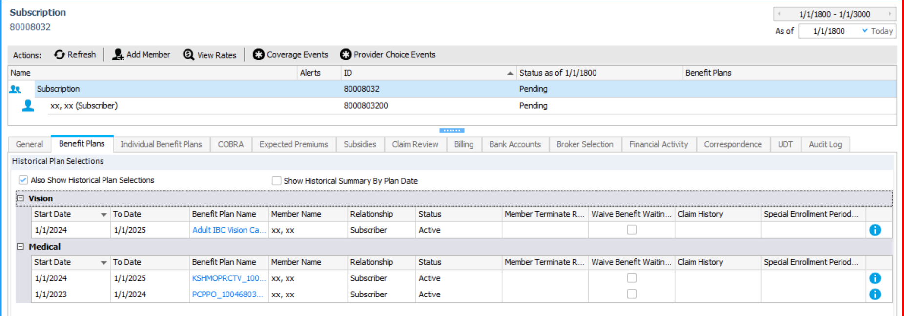

No compliance

 |  | Input with compliance program
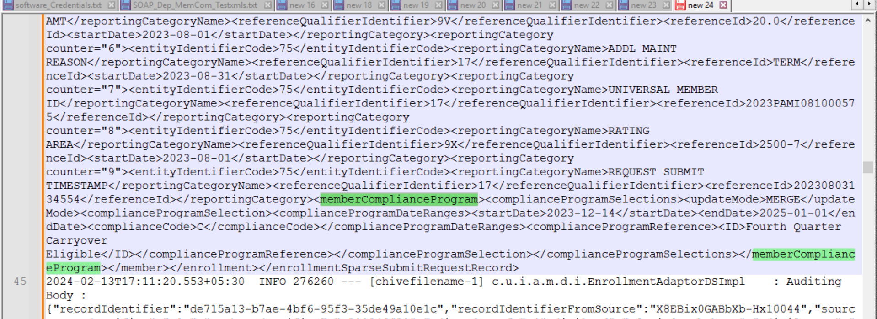

Output : Input with compliance prg - Output with no compliance

 |  | Output without compliance program - Member with existing 'Medical Plan'

Case 2 : Member without medical plan | Input file contains compliance program

